Sheet1
 |  |  |  | HOSPITAL RUN
Open-source software for developing world hospitals.
Test ID | Test Description | Test Scenario | Test Steps | Expected Results | Actual Results | Status | Priority | Defect | Bug ID
tc-001 | Login page | UI Test Scenarios | 1. Verify that all the labels and controls present on the Login page. 2.Check that the font type and size of the labels are visible clearly. | Everything is clearly visible and shown on the tab | It is shown clearly | pass | low | no | -
 |  | Functional Test Scenarios | 1. the user is not able to login with an invalid username and password..2.the user is able to login by entering valid credentials and pressing Enter key. | it will show invalid data if we put wrong id and pass | 1.In case of wrong data it will show invalid data 2. In case of right uder id password it will accept the entry. | fail | high | yes | id_001
tc-002 | Entrance page | GitHub Functionality | 1. pinned public data is shown . 2.repositories are also shown. | sometimes it will show sometimes might not | they will always shown after entering github | pass | high | no | -
tc-003 | Installation Page | Install Functionality | 1.according to mb(megabytes) it will download the application | it will download as per mb | it will start downloading as per the requirement of user | fail | low | yes | id_002
tc-004 | Installation Page | Try it Functionality | 1.click on online demo option. 2.go to demo class option. 3.go to the demo. | it can start up with the demo class. | demo class will be started by the user/ sometimes it can cause a pause due to network issues | pass | high | no | -
tc-005 | Blog and links page | Recent post functionality | 1. user can choose the option as per his /her need or requirement in recent post | it will mightnot load any data | it will load the data of the option choosen. | pass | high | no | -
tc-006 | Blog and links page | Foundation Functionality | 1.click on the type of foundation as per your need | it will load data of different foundations | it will open the data of particular foundation as per the user need | pass | high | no | -
tc-007 | Blog and links page | Behind hospital run | 1. hosted by tab---->open js foundation | it will open the js foundation link | site will be opened with multiple option | pass | low | no | -
tc-008 | Last page | About hospitalRun functionality | 1. it will show the brief about the application | written content is shown | basic and important points on the application is shown. | pass | low | no | -
tc-009 | Last page | More Resources Functionality | 1. multiple options is seen on the screen | every option runs different output | each option will run different output | fail | high | yes | id_003
tc-010 | Last page | Follow us Functionality | 1. different applications is shown | 1. it will open the site on different applications. | site will be opened as per the application choosed.. | pass | high | no | -

 |  |  | bug report
Bug ID | Examiner | Connection strength | Steps to reproduce a Bug | Expected result | Actual Result | Bug severity level | Bug priority level | Bug description
b_id001 | M/S Bishakha | wifi | 1.login as administrator. 2.fill correct username with correct id passwords if site doesnot hold fake information. | it will show login successfully. | no bug will arrise when data is correct and real , It will show the succesful login output | low | high | Login page
b_id002 | M/S Bishakha | wifi | 1.click on download tab. 2.it will show different type of downloading features as per different mb. 3.user should choose as per his/her device. | it will download successfully | it will download as per the requirement only if the wifi connections are proper and edequate. | high | low | Installation Page
b_id003 | M/S Bishakha | wifi | 1.click on more resources function tab 2. multiple tabs is shown under this tab. 3. choose the tab according to your need. | it will load data as per tab choosen | It will show data of the tab choosed by user | low | low | More Resources Functionality

 |  |  | test summary report
Test Objectives | Areas covered | Relevant information | Total test cases | Test cases executed | Test cases pass | Test case fail | Defect bug | Severity Levels
1.Documented end to end quality process | 1. functionalities | 1.test results-->pass/fail | 10 | 10 | 7 | 3 | bug---->3cases | high-->7/low-->4
2. Consolidated overview of test results | 2. features | 2.defects found and solved-->bug/bug report/bug solved | - | - | - | - | - | -
3. Identified Defects | 3.downloading available | 3.test environment details-->software version/network settings | - | - | - | - | - | -
4.overall quality of software application. | 4.try it function 5.follow us function 6.foundations link | 4. additional considerations-->utilization/allocation of resources | - | - | - | - | - | -

 |  |  | MIND MAP OF HOSPITAL RUN

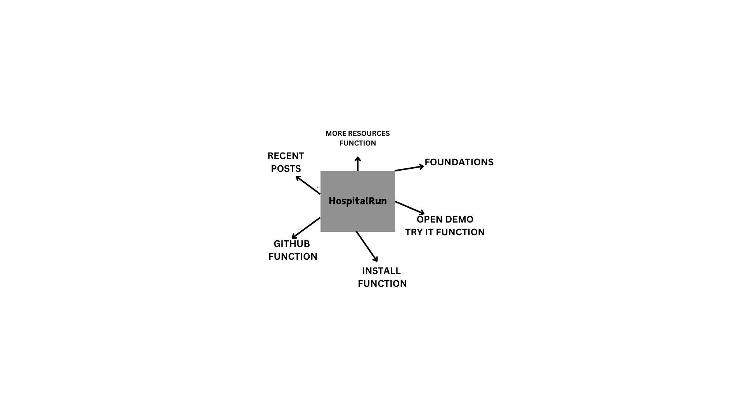

 |  | requirement | tracebility | matrix | [rtm]
Requirement id | Requirement Description | Business Justification | Source | Priority | Test case id | Test result | Diliverables | Notes/Comments
REQ_001 | User can login with usernames and passwords | essential for user authentication | stakeholder | high | tc_001 | pass | login modules | -
REQ_002 | user can reset passwords | enhance user experience | stakeholder | medium | tc_001 | pass | login modules | -
REQ_003 | user can view dashboards | central feature for user insights | stakeholder | high | tc_003 | fail | dashboards | -
REQ_004 | user can install the application | expand market reach | competitor | high | tc_004 | pass | dashboards | -
REQ_005 | user can choose the recent post | enhance user experience | stakeholder | high | tc_005 | pass | coverpage | -
REQ_006 | user can opt for the foundations | enhance user experience | stakeholder | high | tc_006 | pass | coverpage | -
REQ_007 | user can open js foundation | central feature for user insights | stakeholder | low | tc_007 | pass | coverpage | -
REQ_008 | user can read the brief about the application | central feature for user insights | stakeholder | low | tc_008 | pass | coverpage | -
REQ_009 | user can opt more resources option | enhance user experience | stakeholder | high | tc_009 | fail | coverpage | -
REQ_010 | user can use the follow function | enhance user experience | stakeholder | high | tc_010 | pass | ending | -

